LSTM - v1
Problem 1: Lets Start With Basic Number Prediction Example Using LSTM Model. |  |  |  |  |  |  |  |  |  |  |  |  |  |  |  |  |  |  |  |  |  |  |  |  |  |  |  |  |  |  |  |  |  |  |  |  |  |  |  |  |  |  |  |  |  |  |  |  |  | ----> Python Version for Validation | Code: | import numpy as np | Results:
On 7th Day, what is the predicted Value ?. Linear Datasets |  |  |  |  |  |  |  |  |  |  |  |  |  |  |  |  |  |  |  |  |  |  |  |  |  |  |  |  |  |  |  |  |  |  |  |  |  |  |  |  |  |  |  |  |  |  |  |  |  |  |  | import tensorflow as tf
 |  |  |  |  |  |  |  |  |  |  |  |  |  |  |  |  |  |  |  |  |  |  |  |  |  |  |  |  |  |  |  |  |  |  |  |  |  |  |  |  |  |  |  |  |  |  |  |  |  |  |  | from sklearn.preprocessing import MinMaxScaler
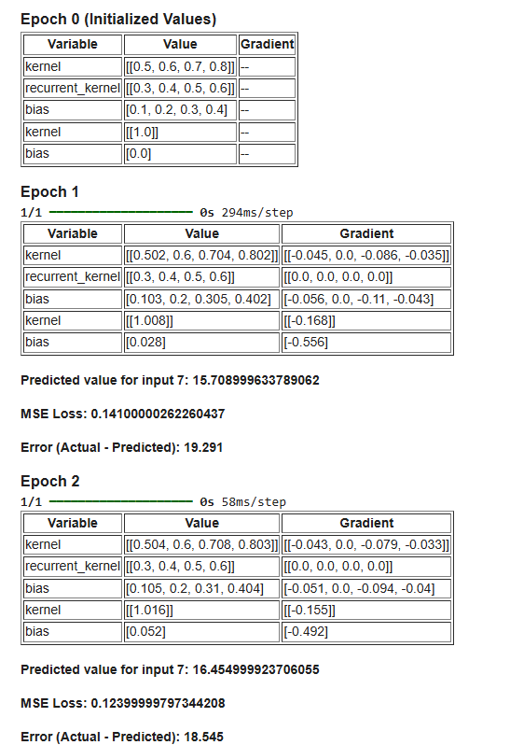
Epoch 1: |  |  |  |  |  |  |  |  |  |  |  |  | Performance: |  |  |  |  |  |  |  | … | Weights |  |  |  |  |  |  |  |  |  |  |  | Gradients: |  |  |  |  |  |  |  | Bias |  |  |  |  | How many Epcohs needed to reach Target Value? |  |  |  |  | from IPython.display import display, HTML
x (Input) | y (Actual) | x_norm | y_norm | h_prev (Output_t-1) | f_t (Forget Gate) | i_t (Input Gate) | C_tilde_t (Candidate) | C_t (Cell State) | o_t (Output Gate) | h_t (Output) | Y_Original |  | Error | Squared Error | X_min | Y_min | X_max | Y_Max | X_Max - X_min | Y_Max - Y_min | lr_rate | Wf | Wi | Wc | Wo | Uf | Ui | Uc | Uo | Bf | Bi | Bc | Bo | Grad Wf | Grad Wi | Grad Wc | Grad Wo | Grad Uf | Grad Ui | Grad Uc | Grad Uo | Grad Bf | Grad Bi | Grad Bc | Grad Bo | …. | Avg Grad Magnitude | Epochs Needed
1 | 5 | 0 | 0 |  | 0.525 | 0.550 | 0.291 | 0.000 | 0.599 | 0.000 | 5.000 |  | 0.000 | 0.000 | 1 | 5 | 6 | 30 | 5 | 25 | 0.05 | 0.500 | 0.600 | 0.700 | 0.800 | 0.300 | 0.400 | 0.500 | 0.600 | 0.100 | 0.200 | 0.300 | 0.400 | 0.000 | 0.000 | 0.000 | 0.000 | 0.000 | 0.000 | 0.000 | 0.000 | 0 | 0 | 0 | 0 |  | -0.0040152188489 | -2484.6125244 |  |  |  | # Data
2 | 10 | 0.2 | 0.2 | 0.000 | 0.550 | 0.579 | 0.414 | 0.240 | 0.636 | 0.150 | 8.742 |  | -1.258 | 1.584 | 1 | 5 | 6 | 30 | 5 | 25 | 0.05 | 0.500 | 0.600 | 0.700 | 0.800 | 0.300 | 0.400 | 0.500 | 0.600 | 0.100 | 0.200 | 0.300 | 0.400 | -0.007 | -0.007 | -0.005 | -0.008 | 0.000 | 0.000 | 0.000 | 0.000 | -0.034596943052 | -0.036452544328 | -0.026027552461 | -0.040047200426 |  |  |  | Fine tuning: |  |  | x = np.array([1, 2, 3, 4, 5, 6], dtype=np.float32).reshape(-1, 1)
3 | 15 | 0.4 | 0.4 | 0.150 | 0.585 | 0.622 | 0.575 | 0.498 | 0.692 | 0.319 | 12.970 |  | -2.030 | 4.122 | 1 | 5 | 6 | 30 | 5 | 25 | 0.05 | 0.500 | 0.600 | 0.700 | 0.800 | 0.300 | 0.400 | 0.500 | 0.600 | 0.100 | 0.200 | 0.300 | 0.400 | -0.024 | -0.025 | -0.023 | -0.028 | -0.009 | -0.009 | -0.009 | -0.011 | -0.059422667705 | -0.06318341686 | -0.058360171274 | -0.070252533188 |  |  |  | 1. Weight Initialization (Xavier Initialization) |  |  | y = np.array([5, 10, 15, 20, 25, 30], dtype=np.float32).reshape(-1, 1)
4 | 20 | 0.6 | 0.6 | 0.319 | 0.621 | 0.665 | 0.706 | 0.779 | 0.745 | 0.486 | 17.148 |  | -2.852 | 8.136 | 1 | 5 | 6 | 30 | 5 | 25 | 0.05 | 0.500 | 0.600 | 0.700 | 0.800 | 0.300 | 0.400 | 0.500 | 0.600 | 0.100 | 0.200 | 0.300 | 0.400 | -0.053 | -0.057 | -0.060 | -0.064 | -0.028 | -0.030 | -0.032 | -0.034 | -0.088625575438 | -0.094897867599 | -0.1007025923 | -0.10622504586 |  |  |  | 2. Adjusting the learning rates
5 | 25 | 0.8 | 0.8 | 0.486 | 0.656 | 0.706 | 0.802 | 1.077 | 0.791 | 0.627 | 20.665 |  | -4.335 | 18.792 | 1 | 5 | 6 | 30 | 5 | 25 | 0.05 | 0.500 | 0.600 | 0.700 | 0.800 | 0.300 | 0.400 | 0.500 | 0.600 | 0.100 | 0.200 | 0.300 | 0.400 | -0.114 | -0.122 | -0.139 | -0.137 | -0.069 | -0.074 | -0.084 | -0.083 | -0.14219881602 | -0.15294854965 | -0.17373569341 | -0.17146817422 |  |  |  | 3. Need more data to capture long term dependencies |  |  | # Min-Max Normalization
6 | 30 | 1 | 1 | 0.627 | 0.687 | 0.741 | 0.865 | 1.381 | 0.829 | 0.730 | 23.255 |  | -6.745 | 45.489 | 1 | 5 | 6 | 30 | 5 | 25 | 0.05 | 0.500 | 0.600 | 0.700 | 0.800 | 0.300 | 0.400 | 0.500 | 0.600 | 0.100 | 0.200 | 0.300 | 0.400 | -0.232 | -0.250 | -0.292 | -0.279 | -0.145 | -0.157 | -0.183 | -0.175 | -0.23181042056 | -0.24985229867 | -0.29173963412 | -0.27943869512 |  |  |  | 4. Gate Saturation |  |  | scaler_x = MinMaxScaler(feature_range=(0, 1))
7 | 35 | 1.2 | ?? | 0.730 | 0.715 | 0.771 | 0.906 | 1.686 | 0.858 | 0.801 | 25.024 | <-- Predicted Value | -9.976 | 99.526 | 1 | 5 | 6 | 30 | 5 | 25 | 0.05 | 0.500 | 0.600 | 0.700 | 0.800 | 0.300 | 0.400 | 0.500 | 0.600 | 0.100 | 0.200 | 0.300 | 0.400 |  |  |  |  |  |  |  |  |  |  |  |  |  |  |  |  |  |  | x_norm = scaler_x.fit_transform(x)
 |  |  |  |  |  |  |  |  |  |  | 35.000 | <-- Expected Value |  |  |  |  |  |  |  |  |  |  |  |  |  |  |  |  |  |  |  |  |  | -0.072 | -0.077 | -0.087 | -0.086 | -0.042 | -0.045 | -0.051 | -0.050 | -0.093 | -0.100 | -0.108 | -0.111 |  |  |  |  |  |  | scaler_y = MinMaxScaler(feature_range=(0, 1))
 |  |  |  |  |  |  |  |  |  |  | 9.976 | <-- Error |  |  |  |  |  |  |  |  |  |  |  |  |  |  |  |  |  |  |  |  |  |  |  |  |  |  |  |  |  |  |  |  |  |  |  |  |  |  |  | y_norm = scaler_y.fit_transform(y)
 |  |  |  |  |  |  |  |  |  |  |  |  | -27.197 | 177.648
 |  |  |  |  |  |  |  |  |  |  |  |  |  |  |  |  |  |  |  |  |  |  |  |  |  |  |  |  |  |  |  |  |  |  |  |  |  |  |  |  |  |  |  |  |  |  |  |  |  |  |  | # Reshape for LSTM (samples, timesteps, features)
 |  |  |  |  |  |  |  |  |  |  |  |  |  |  |  |  |  |  |  |  |  |  |  |  |  |  |  |  |  |  |  |  |  |  |  |  |  |  |  |  |  |  |  |  |  |  |  |  |  |  |  | x_norm = x_norm.reshape((x_norm.shape[0], 1, 1))

Epoch 2: |  |  |  |  |  |  |  |  |  |  |  |  | Performance: |  |  |  |  |  |  |  | … | Weights |  |  |  |  |  |  |  |  |  |  |  | Gradients: |  |  |  |  |  |  |  | Bias |  |  |  |  |  |  |  |  |  | # Initial weights
x (Input) | y (Actual) | x_norm | y_norm | h_prev (Output_t-1) | f_t (Forget Gate) | i_t (Input Gate) | C_tilde_t (Candidate) | C_t (Cell State) | o_t (Output Gate) | h_t (Output) | Y_Original |  | Error | Squared Error | X_min | Y_min | X_max | Y_Max | X_Max - X_min | Y_Max - Y_min | lr_rate | Wf | Wi | Wc | Wo | Uf | Ui | Uc | Uo | Bf | Bi | Bc | Bo | Grad Wf | Grad Wi | Grad Wc | Grad Wo | Grad Uf | Grad Ui | Grad Uc | Grad Uo | Grad Bf | Grad Bi | Grad Bc | Grad Bo |  |  |  |  |  |  | initial_weights = {
1 | 5 | 0 | 0 |  | 0.525 | 0.550 | 0.291 | 0.000 | 0.599 | 0.000 | 5.000 |  | 0.000 | 0.000 | 1 | 5 | 6 | 30 | 5 | 25 | 0.05 | 0.500 | 0.600 | 0.700 | 0.800 | 0.300 | 0.400 | 0.500 | 0.600 | 0.100 | 0.200 | 0.300 | 0.400 | 0.000 | 0.000 | 0.000 | 0.000 | 0.000 | 0.000 | 0.000 | 0.000 | 0 | 0 | 0 | 0 |  |  |  |  |  |  | 'Wf': 0.500, 'Wi': 0.600, 'Wc': 0.700, 'Wo': 0.800,
2 | 10 | 0.2 | 0.2 | 0.000 | 0.559 | 0.589 | 0.436 | 0.256 | 0.646 | 0.162 | 9.054 |  | -0.946 | 0.895 | 1 | 5 | 6 | 30 | 5 | 25 | 0.05 | 0.507 | 0.607 | 0.705 | 0.808 | 0.300 | 0.400 | 0.500 | 0.600 | 0.135 | 0.236 | 0.326 | 0.440 | -0.005 | -0.006 | -0.004 | -0.006 | 0.000 | 0.000 | 0.000 | 0.000 | -0.026423060566 | -0.027832908089 | -0.020611117634 | -0.030552140995 |  |  |  |  |  |  | 'Uf': 0.300, 'Ui': 0.400, 'Uc': 0.500, 'Uo': 0.600,
3 | 15 | 0.4 | 0.4 | 0.162 | 0.603 | 0.641 | 0.623 | 0.554 | 0.711 | 0.358 | 13.953 |  | -1.047 | 1.096 | 1 | 5 | 6 | 30 | 5 | 25 | 0.05 | 0.524 | 0.625 | 0.723 | 0.828 | 0.309 | 0.409 | 0.509 | 0.611 | 0.159 | 0.263 | 0.358 | 0.470 | -0.013 | -0.013 | -0.013 | -0.015 | -0.005 | -0.005 | -0.005 | -0.006 | -0.031575630123 | -0.033551427758 | -0.032619175489 | -0.037218292049 |  |  |  |  |  |  | 'Bf': 0.100, 'Bi': 0.200, 'Bc': 0.300, 'Bo': 0.400
4 | 20 | 0.6 | 0.6 | 0.358 | 0.654 | 0.699 | 0.781 | 0.909 | 0.778 | 0.560 | 19.004 |  | -0.996 | 0.992 | 1 | 5 | 6 | 30 | 5 | 25 | 0.05 | 0.553 | 0.657 | 0.760 | 0.864 | 0.328 | 0.430 | 0.532 | 0.634 | 0.189 | 0.295 | 0.401 | 0.506 | -0.020 | -0.021 | -0.023 | -0.023 | -0.012 | -0.012 | -0.014 | -0.014 | -0.032578140313 | -0.034809021857 | -0.038877361291 | -0.038713829688 |  |  |  |  |  |  | }
5 | 25 | 0.8 | 0.8 | 0.560 | 0.719 | 0.768 | 0.900 | 1.344 | 0.846 | 0.738 | 23.460 |  | -1.540 | 2.373 | 1 | 5 | 6 | 30 | 5 | 25 | 0.05 | 0.614 | 0.722 | 0.839 | 0.937 | 0.369 | 0.474 | 0.584 | 0.683 | 0.242 | 0.353 | 0.474 | 0.571 | -0.044 | -0.047 | -0.055 | -0.052 | -0.031 | -0.033 | -0.039 | -0.037 | -0.05538715664 | -0.05914712649 | -0.069322552089 | -0.065166246954
6 | 30 | 1 | 1 | 0.738 | 0.801 | 0.847 | 0.970 | 1.898 | 0.911 | 0.871 | 26.785 |  | -3.215 | 10.337 | 1 | 5 | 6 | 30 | 5 | 25 | 0.05 | 0.732 | 0.850 | 0.992 | 1.079 | 0.445 | 0.557 | 0.683 | 0.775 | 0.332 | 0.450 | 0.592 | 0.679 | -0.129 | -0.136 | -0.156 | -0.147 | -0.095 | -0.101 | -0.115 | -0.108 | -0.12876024976 | -0.13614666645 | -0.15588779557 | -0.14651637596 |  |  |  |  |  |  | # Build model
7 | 35 | 1.2 | ?? | 0.871 | 0.723 | 0.780 | 0.918 | 2.090 | 0.868 | 0.842 | 26.044 | <-- Predicted Value | -8.956 | 80.211 | 1 | 5 | 6 | 30 | 5 | 25 | 0.05 | 0.500 | 0.600 | 0.700 | 0.800 | 0.300 | 0.400 | 0.500 | 0.600 | 0.100 | 0.200 | 0.300 | 0.400 |  |  |  |  |  |  |  |  |  |  |  |  |  |  |  |  |  |  | model = tf.keras.Sequential([
 |  |  |  |  |  |  |  |  |  |  | 35.000 | <-- Expected Value |  |  |  |  |  |  |  |  | 0.050 | 0.572 | 0.677 | 0.787 | 0.886 | 0.342 | 0.445 | 0.551 | 0.650 | 0.193 | 0.300 | 0.408 | 0.511 | -0.035 | -0.037 | -0.042 | -0.040 | -0.024 | -0.025 | -0.029 | -0.027 | -0.046 | -0.049 | -0.053 | -0.053 |  |  |  |  |  |  | tf.keras.layers.LSTM(1, input_shape=(x_norm.shape[1], x_norm.shape[2]), return_sequences=False, stateful=False),
 |  |  |  |  |  |  |  |  |  |  | 8.956 | <-- Error |  |  |  |  |  |  |  |  |  |  |  |  |  |  |  |  |  |  |  |  |  |  |  |  |  |  |  |  |  |  |  |  |  |  |  |  |  |  |  | tf.keras.layers.Dense(1)
 |  |  |  |  |  |  |  |  |  |  |  |  | -16.700 | 95.903 |  |  |  |  |  |  |  |  |  |  |  |  |  |  |  |  |  |  |  |  |  |  |  |  |  |  |  |  |  |  |  |  |  |  |  |  |  | ])

 |  |  |  |  |  |  |  |  |  |  |  |  |  |  |  |  |  |  |  |  |  |  |  |  |  |  |  |  |  |  |  |  |  |  |  |  |  |  |  |  |  |  |  |  |  |  |  |  |  |  |  | # Set initial weights for LSTM and Dense layers
 |  |  |  |  |  |  |  |  |  |  |  |  |  |  |  |  |  |  |  |  |  |  |  |  |  |  |  |  |  |  |  |  |  |  |  |  |  |  |  |  |  |  |  |  |  |  |  |  |  |  |  | lstm_layer = model.layers[0]
Epoch 3: |  |  |  |  |  |  |  |  |  |  |  |  | Performance: |  |  |  |  |  |  |  | … | Weights |  |  |  |  |  |  |  |  |  |  |  | Gradients: |  |  |  |  |  |  |  | Bias |  |  |  |  |  |  |  |  |  | dense_layer = model.layers[1]
x (Input) | y (Actual) | x_norm | y_norm | h_prev (Output_t-1) | f_t (Forget Gate) | i_t (Input Gate) | C_tilde_t (Candidate) | C_t (Cell State) | o_t (Output Gate) | h_t (Output) | Y_Original |  | Error | Squared Error | X_min | Y_min | X_max | Y_Max | X_Max - X_min | Y_Max - Y_min | lr_rate | Wf | Wi | Wc | Wo | Uf | Ui | Uc | Uo | Bf | Bi | Bc | Bo | Grad Wf | Grad Wi | Grad Wc | Grad Wo | Grad Uf | Grad Ui | Grad Uc | Grad Uo | Grad Bf | Grad Bi | Grad Bc | Grad Bo
1 | 5 | 0 | 0 |  | 0.525 | 0.550 | 0.291 | 0.000 | 0.599 | 0.000 | 5.000 |  | 0.000 | 0.000 | 1 | 5 | 6 | 30 | 5 | 25 | 0.05 | 0.500 | 0.600 | 0.700 | 0.800 | 0.300 | 0.400 | 0.500 | 0.600 | 0.100 | 0.200 | 0.300 | 0.400 | 0.000 | 0.000 | 0.000 | 0.000 | 0.000 | 0.000 | 0.000 | 0.000 | 0 | 0 | 0 | 0 |  |  |  |  |  |  | lstm_weights = [
2 | 10 | 0.2 | 0.2 | 0.000 | 0.565 | 0.596 | 0.453 | 0.270 | 0.653 | 0.172 | 9.302 |  | -0.698 | 0.487 | 1 | 5 | 6 | 30 | 5 | 25 | 0.05 | 0.512 | 0.613 | 0.709 | 0.814 | 0.300 | 0.400 | 0.500 | 0.600 | 0.161 | 0.264 | 0.347 | 0.471 | -0.004 | -0.004 | -0.003 | -0.005 | 0.000 | 0.000 | 0.000 | 0.000 | -0.019728862183 | -0.020776870591 | -0.015805382235 | -0.022791300795 |  |  |  |  |  |  | np.array([[
3 | 15 | 0.4 | 0.4 | 0.172 | 0.613 | 0.651 | 0.649 | 0.588 | 0.721 | 0.381 | 14.530 |  | -0.470 | 0.221 | 1 | 5 | 6 | 30 | 5 | 25 | 0.05 | 0.536 | 0.639 | 0.736 | 0.843 | 0.314 | 0.415 | 0.514 | 0.617 | 0.191 | 0.297 | 0.391 | 0.507 | -0.006 | -0.006 | -0.006 | -0.007 | -0.002 | -0.003 | -0.003 | -0.003 | -0.014417423411 | -0.015314130207 | -0.015271940395 | -0.016966121392 |  |  |  |  |  |  | initial_weights['Wf'], initial_weights['Wi'], initial_weights['Wc'], initial_weights['Wo']
4 | 20 | 0.6 | 0.6 | 0.381 | 0.667 | 0.712 | 0.807 | 0.967 | 0.790 | 0.590 | 19.755 |  | -0.245 | 0.060 | 1 | 5 | 6 | 30 | 5 | 25 | 0.05 | 0.573 | 0.678 | 0.784 | 0.887 | 0.340 | 0.443 | 0.546 | 0.648 | 0.221 | 0.330 | 0.440 | 0.545 | -0.005 | -0.005 | -0.006 | -0.006 | -0.003 | -0.003 | -0.004 | -0.004 | -0.0081615350154 | -0.0087129581029 | -0.0098736686508 | -0.0096655149812 |  |  |  |  |  |  | ]]), # Kernel (input weights)
5 | 25 | 0.8 | 0.8 | 0.590 | 0.743 | 0.790 | 0.926 | 1.450 | 0.864 | 0.774 | 24.356 |  | -0.644 | 0.415 | 1 | 5 | 6 | 30 | 5 | 25 | 0.05 | 0.658 | 0.770 | 0.894 | 0.989 | 0.400 | 0.507 | 0.623 | 0.720 | 0.298 | 0.412 | 0.543 | 0.637 | -0.019 | -0.020 | -0.024 | -0.022 | -0.014 | -0.015 | -0.018 | -0.016 | -0.023932545908 | -0.025468659368 | -0.029823729598 | -0.027855381435 |  |  |  |  |  |  | np.array([[
6 | 30 | 1 | 1 | 0.774 | 0.851 | 0.889 | 0.987 | 2.110 | 0.939 | 0.912 | 27.798 |  | -2.202 | 4.849 | 1 | 5 | 6 | 30 | 5 | 25 | 0.05 | 0.861 | 0.986 | 1.148 | 1.226 | 0.540 | 0.657 | 0.798 | 0.883 | 0.461 | 0.586 | 0.748 | 0.826 | -0.094 | -0.098 | -0.109 | -0.103 | -0.073 | -0.076 | -0.084 | -0.080 | -0.093652934784 | -0.097880277827 | -0.10866343409 | -0.10339500156 |  |  |  |  |  |  | initial_weights['Uf'], initial_weights['Ui'], initial_weights['Uc'], initial_weights['Uo']
7 | 35 | 1.2 | ?? | 0.912 | 0.726 | 0.783 | 0.921 | 2.253 | 0.871 | 0.852 | 26.292 | <-- Predicted Value | -8.708 | 75.825 | 1 | 5 | 6 | 30 | 5 | 25 | 0.05 | 0.500 | 0.600 | 0.700 | 0.800 | 0.300 | 0.400 | 0.500 | 0.600 | 0.100 | 0.200 | 0.300 | 0.400 |  |  |  |  |  |  |  |  |  |  |  |  |  |  |  |  |  |  | ]]), # Recurrent kernel (hidden state weights)
 |  |  |  |  |  |  |  |  |  |  | 35.000 | <-- Expected Value |  |  |  |  |  |  |  |  |  |  |  |  |  |  |  |  |  |  |  |  |  | -0.021 | -0.022 | -0.025 | -0.024 | -0.015 | -0.016 | -0.018 | -0.017 | -0.027 | -0.028 | -0.030 | -0.030 |  |  |  |  |  |  | np.array([
 |  |  |  |  |  |  |  |  |  |  | 8.708 | <-- Error |  |  |  |  |  |  |  |  |  |  |  |  |  |  |  |  |  |  |  |  |  |  |  |  |  |  |  |  |  |  |  |  |  |  |  |  |  |  |  | initial_weights['Bf'], initial_weights['Bi'], initial_weights['Bc'], initial_weights['Bo']
 |  |  |  |  |  |  |  |  |  |  |  |  | -12.967 | 81.858 |  |  |  |  |  |  |  |  |  |  |  |  |  |  |  |  |  |  |  |  |  |  |  |  |  |  |  |  |  |  |  |  |  |  |  |  |  | ]) # Bias
 |  |  |  |  |  |  |  |  |  |  |  |  |  |  |  |  |  |  |  |  |  |  |  |  |  |  |  |  |  |  |  |  |  |  |  |  |  |  |  |  |  |  |  |  |  |  |  |  |  |  |  | ]

 |  |  |  |  |  |  |  |  |  |  |  |  |  |  |  |  |  |  |  |  |  |  |  |  |  |  |  |  |  |  |  |  |  |  |  |  |  |  |  |  |  |  |  |  |  |  |  |  |  |  |  | lstm_layer.set_weights(lstm_weights)
Epoch 4: |  |  |  |  |  |  |  |  |  |  |  |  | Performance: |  |  |  |  |  |  |  | … | Weights |  |  |  |  |  |  |  |  |  |  |  | Gradients: |  |  |  |  |  |  |  | Bias |  |  |  |  |  |  |  |  |  | dense_layer.set_weights([
x (Input) | y (Actual) | x_norm | y_norm | h_prev (Output_t-1) | f_t (Forget Gate) | i_t (Input Gate) | C_tilde_t (Candidate) | C_t (Cell State) | o_t (Output Gate) | h_t (Output) | Y_Original |  | Error | Squared Error | X_min | Y_min | X_max | Y_Max | X_Max - X_min | Y_Max - Y_min | lr_rate | Wf | Wi | Wc | Wo | Uf | Ui | Uc | Uo | Bf | Bi | Bc | Bo | Grad Wf | Grad Wi | Grad Wc | Grad Wo | Grad Uf | Grad Ui | Grad Uc | Grad Uo | Grad Bf | Grad Bi | Grad Bc | Grad Bo |  |  |  |  |  |  | np.array([[1.0]]), # Set dense layer weight to 1
1 | 5 | 0 | 0 |  | 0.525 | 0.550 | 0.291 | 0.000 | 0.599 | 0.000 | 5.000 |  | 0.000 | 0.000 | 1 | 5 | 6 | 30 | 5 | 25 | 0.05 | 0.500 | 0.600 | 0.700 | 0.800 | 0.300 | 0.400 | 0.500 | 0.600 | 0.100 | 0.200 | 0.300 | 0.400 | 0.000 | 0.000 | 0.000 | 0.000 | 0.000 | 0.000 | 0.000 | 0.000 | 0 | 0 | 0 | 0 |  |  |  |  |  |  | np.array([0.0]) # Set dense layer bias to 0
2 | 10 | 0.2 | 0.2 | 0.000 | 0.571 | 0.601 | 0.466 | 0.280 | 0.659 | 0.180 | 9.492 |  | -0.508 | 0.258 | 1 | 5 | 6 | 30 | 5 | 25 | 0.05 | 0.516 | 0.617 | 0.712 | 0.819 | 0.300 | 0.400 | 0.500 | 0.600 | 0.181 | 0.285 | 0.362 | 0.493 | -0.003 | -0.003 | -0.002 | -0.003 | 0.000 | 0.000 | 0.000 | 0.000 | -0.014478444875 | -0.015244804224 | -0.011825812541 | -0.016714034245 |  |  |  |  |  |  | ])
3 | 15 | 0.4 | 0.4 | 0.180 | 0.618 | 0.656 | 0.662 | 0.607 | 0.726 | 0.394 | 14.840 |  | -0.160 | 0.025 | 1 | 5 | 6 | 30 | 5 | 25 | 0.05 | 0.542 | 0.645 | 0.743 | 0.850 | 0.316 | 0.418 | 0.517 | 0.619 | 0.205 | 0.312 | 0.406 | 0.524 | -0.002 | -0.002 | -0.002 | -0.002 | -0.001 | -0.001 | -0.001 | -0.001 | -0.0049269378496 | -0.0052327895113 | -0.0052803593134 | -0.0057941589616
4 | 20 | 0.6 | 0.6 | 0.394 | 0.671 | 0.716 | 0.814 | 0.990 | 0.794 | 0.601 | 20.025 |  | 0.025 | 0.001 | 1 | 5 | 6 | 30 | 5 | 25 | 0.05 | 0.578 | 0.683 | 0.790 | 0.893 | 0.343 | 0.446 | 0.550 | 0.651 | 0.229 | 0.338 | 0.449 | 0.555 | 0.001 | 0.001 | 0.001 | 0.001 | 0.000 | 0.000 | 0.000 | 0.000 | 0.00084514692107 | 0.00090211901699 | 0.0010262306852 | 0.001000122784 |  |  |  |  |  |  | # Display initial weights
5 | 25 | 0.8 | 0.8 | 0.601 | 0.753 | 0.800 | 0.934 | 1.492 | 0.872 | 0.788 | 24.695 |  | -0.305 | 0.093 | 1 | 5 | 6 | 30 | 5 | 25 | 0.05 | 0.677 | 0.790 | 0.918 | 1.012 | 0.414 | 0.522 | 0.641 | 0.736 | 0.322 | 0.438 | 0.573 | 0.664 | -0.009 | -0.010 | -0.011 | -0.011 | -0.007 | -0.007 | -0.009 | -0.008 | -0.011482302083 | -0.012199767007 | -0.014258301374 | -0.01330060739 |  |  |  |  |  |  | output_html = "<h3>Epoch 0 (Initialized Values)</h3><table border='1'><tr><th>Variable</th><th>Value</th><th>Gradient</th></tr>"
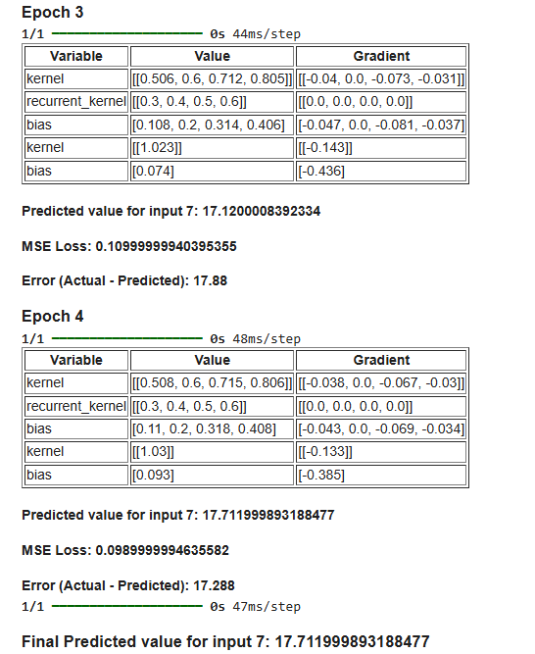
6 | 30 | 1 | 1 | 0.788 | 0.880 | 0.913 | 0.993 | 2.219 | 0.953 | 0.931 | 28.277 |  | -1.723 | 2.969 | 1 | 5 | 6 | 30 | 5 | 25 | 0.05 | 0.954 | 1.084 | 1.256 | 1.329 | 0.613 | 0.733 | 0.882 | 0.963 | 0.554 | 0.684 | 0.856 | 0.929 | -0.076 | -0.079 | -0.086 | -0.082 | -0.060 | -0.062 | -0.067 | -0.065 | -0.075798244024 | -0.078612723651 | -0.085521309161 | -0.082129127572 |  |  |  |  |  |  | for var in model.trainable_variables:
7 | 35 | 1.2 | ?? | 0.931 | 0.727 | 0.785 | 0.922 | 2.337 | 0.872 | 0.856 | 26.396 | <-- Predicted Value | -8.604 | 74.024 | 1 | 5 | 6 | 30 | 5 | 25 | 0.05 | 0.500 | 0.600 | 0.700 | 0.800 | 0.300 | 0.400 | 0.500 | 0.600 | 0.100 | 0.200 | 0.300 | 0.400 |  |  |  |  |  |  |  |  |  |  |  |  |  |  |  |  |  |  | value = var.numpy()
 |  |  |  |  |  |  |  |  |  |  | 35.000 | <-- Expected Value |  |  |  |  |  |  |  |  |  |  |  |  |  |  |  |  |  |  |  |  |  | -0.015 | -0.015 | -0.017 | -0.016 | -0.011 | -0.012 | -0.013 | -0.012 | -0.018 | -0.018 | -0.019 | -0.019 |  |  |  |  |  |  | if value.ndim == 1: # 1D array (e.g., biases)
 |  |  |  |  |  |  |  |  |  |  | 8.604 | <-- Error |  |  |  |  |  |  |  |  |  |  |  |  |  |  |  |  |  |  |  |  |  |  |  |  |  |  |  |  |  |  |  |  |  |  |  |  |  |  |  | value_str = [round(v, 3) for v in value]
 |  |  |  |  |  |  |  |  |  |  |  |  | -11.274 | 77.369 |  |  |  |  |  |  |  |  |  |  |  |  |  |  |  |  |  |  |  |  |  |  |  |  |  |  |  |  |  |  |  |  |  |  |  |  |  | elif value.ndim == 2: # 2D array (e.g., weights)
 |  |  |  |  |  |  |  |  |  |  |  |  |  |  |  |  |  |  |  |  |  |  |  |  |  |  |  |  |  |  |  |  |  |  |  |  |  |  |  |  |  |  |  |  |  |  |  |  |  |  |  | value_str = [[round(v, 3) for v in row] for row in value]
 |  |  |  |  |  |  |  |  |  |  |  |  |  |  |  |  |  |  |  |  |  |  |  |  |  |  |  |  |  |  |  |  |  |  |  |  |  |  |  |  |  |  |  |  |  |  |  |  |  |  |  | else:
 |  |  |  |  |  |  |  |  |  |  |  |  |  |  |  |  |  |  |  |  |  |  |  |  |  |  |  |  |  |  |  |  |  |  |  |  |  |  |  |  |  |  |  |  |  |  |  |  |  |  |  | value_str = round(value.item(), 3) # Scalars
Epoch 5: |  |  |  |  |  |  |  |  |  |  |  |  | Performance: |  |  |  |  |  |  |  | … | Weights |  |  |  |  |  |  |  |  |  |  |  | Gradients: |  |  |  |  |  |  |  | Bias |  |  |  |  |  |  |  |  |  | output_html += f"<tr><td>{var.name}</td><td>{value_str}</td><td>--</td></tr>"
x (Input) | y (Actual) | x_norm | y_norm | h_prev (Output_t-1) | f_t (Forget Gate) | i_t (Input Gate) | C_tilde_t (Candidate) | C_t (Cell State) | o_t (Output Gate) | h_t (Output) | Y_Original |  | Error | Squared Error | X_min | Y_min | X_max | Y_Max | X_Max - X_min | Y_Max - Y_min | lr_rate | Wf | Wi | Wc | Wo | Uf | Ui | Uc | Uo | Bf | Bi | Bc | Bo | Grad Wf | Grad Wi | Grad Wc | Grad Wo | Grad Uf | Grad Ui | Grad Uc | Grad Uo | Grad Bf | Grad Bi | Grad Bc | Grad Bo |  |  |  |  |  |  | output_html += "</table>"
1 | 5 | 0 | 0 |  | 0.525 | 0.550 | 0.291 | 0.000 | 0.599 | 0.000 | 5.000 |  | 0.000 | 0.000 | 1 | 5 | 6 | 30 | 5 | 25 | 0.05 | 0.500 | 0.600 | 0.700 | 0.800 | 0.300 | 0.400 | 0.500 | 0.600 | 0.100 | 0.200 | 0.300 | 0.400 | 0.000 | 0.000 | 0.000 | 0.000 | 0.000 | 0.000 | 0.000 | 0.000 | 0 | 0 | 0 | 0 |  |  |  |  |  |  | display(HTML(output_html))
2 | 10 | 0.2 | 0.2 | 0.000 | 0.574 | 0.605 | 0.476 | 0.287 | 0.663 | 0.185 | 9.635 |  | -0.365 | 0.133 | 1 | 5 | 6 | 30 | 5 | 25 | 0.05 | 0.519 | 0.620 | 0.715 | 0.822 | 0.300 | 0.400 | 0.500 | 0.600 | 0.195 | 0.300 | 0.374 | 0.510 | -0.002 | -0.002 | -0.002 | -0.002 | 0.000 | 0.000 | 0.000 | 0.000 | -0.010489975951 | -0.011043688051 | -0.0086879689306 | -0.012103189285
3 | 15 | 0.4 | 0.4 | 0.185 | 0.619 | 0.658 | 0.667 | 0.617 | 0.728 | 0.400 | 14.995 |  | -0.005 | 0.000 | 1 | 5 | 6 | 30 | 5 | 25 | 0.05 | 0.544 | 0.647 | 0.745 | 0.852 | 0.317 | 0.418 | 0.518 | 0.621 | 0.210 | 0.317 | 0.412 | 0.530 | 0.000 | 0.000 | 0.000 | 0.000 | 0.000 | 0.000 | 0.000 | 0.000 | -0.00016419219212 | -0.00017438962116 | -0.0001768233002 | -0.00019307654494 |  |  |  |  |  |  | # Compile model
4 | 20 | 0.6 | 0.6 | 0.400 | 0.671 | 0.716 | 0.815 | 0.997 | 0.794 | 0.604 | 20.095 |  | 0.095 | 0.009 | 1 | 5 | 6 | 30 | 5 | 25 | 0.05 | 0.577 | 0.683 | 0.789 | 0.892 | 0.343 | 0.446 | 0.549 | 0.651 | 0.229 | 0.338 | 0.448 | 0.554 | 0.002 | 0.002 | 0.002 | 0.002 | 0.001 | 0.001 | 0.002 | 0.002 | 0.0031952849557 | 0.0034110851879 | 0.0038817917467 | 0.0037821213555 |  |  |  |  |  |  | model.compile(optimizer=tf.keras.optimizers.SGD(learning_rate=0.05), loss=tf.keras.losses.MeanSquaredError())
5 | 25 | 0.8 | 0.8 | 0.604 | 0.757 | 0.804 | 0.938 | 1.509 | 0.875 | 0.793 | 24.833 |  | -0.167 | 0.028 | 1 | 5 | 6 | 30 | 5 | 25 | 0.05 | 0.686 | 0.800 | 0.930 | 1.022 | 0.421 | 0.530 | 0.649 | 0.744 | 0.333 | 0.450 | 0.587 | 0.678 | -0.005 | -0.005 | -0.006 | -0.006 | -0.004 | -0.004 | -0.005 | -0.004 | -0.0063116040231 | -0.0067007084307 | -0.0078224046061 | -0.0072943854335
6 | 30 | 1 | 1 | 0.793 | 0.900 | 0.928 | 0.995 | 2.281 | 0.962 | 0.942 | 28.560 |  | -1.440 | 2.075 | 1 | 5 | 6 | 30 | 5 | 25 | 0.05 | 1.030 | 1.162 | 1.342 | 1.411 | 0.673 | 0.795 | 0.949 | 1.028 | 0.630 | 0.762 | 0.942 | 1.011 | -0.065 | -0.067 | -0.072 | -0.069 | -0.051 | -0.053 | -0.057 | -0.055 | -0.06479320665 | -0.066829210646 | -0.071687695068 | -0.069300540565 |  |  |  |  |  |  | # Train model and log weights, biases, and gradients
7 | 35 | 1.2 | ?? | 0.942 | 0.728 | 0.785 | 0.923 | 2.385 | 0.873 | 0.858 | 26.452 | <-- Predicted Value | -8.548 | 73.073 | 1 | 5 | 6 | 30 | 5 | 25 | 0.05 | 0.500 | 0.600 | 0.700 | 0.800 | 0.300 | 0.400 | 0.500 | 0.600 | 0.100 | 0.200 | 0.300 | 0.400 |  |  |  |  |  |  |  |  |  |  |  |  |  |  |  |  |  |  | for epoch in range(4):
 |  |  |  |  |  |  |  |  |  |  | 35.000 | <-- Expected Value |  |  |  |  |  |  |  |  |  |  |  |  |  |  |  |  |  |  |  |  |  | -0.012 | -0.012 | -0.013 | -0.013 | -0.009 | -0.009 | -0.010 | -0.010 | -0.013 | -0.014 | -0.014 | -0.014 |  |  |  |  |  |  | display(HTML(f"<h3>Epoch {epoch + 1}</h3>"))
 |  |  |  |  |  |  |  |  |  |  | 8.548 | <-- Error |  |  |  |  |  |  |  |  |  |  |  |  |  |  |  |  |  |  |  |  |  |  |  |  |  |  |  |  |  |  |  |  |  |  |  |  |  |  |  | with tf.GradientTape() as tape:
 |  |  |  |  |  |  |  |  |  |  |  |  | -10.431 | 75.318 |  |  |  |  |  |  |  |  |  |  |  |  |  |  |  |  |  |  |  |  |  |  |  |  |  |  |  |  |  |  |  |  |  |  |  |  |  | predictions = model(x_norm, training=True)
 |  |  |  |  |  |  |  |  |  |  |  |  |  |  |  |  |  |  |  |  |  |  |  |  |  |  |  |  |  |  |  |  |  |  |  |  |  |  |  |  |  |  |  |  |  |  |  |  |  |  |  | loss = tf.reduce_mean(tf.keras.losses.MeanSquaredError()(y_norm, predictions))
 |  |  |  |  |  |  |  |  |  |  |  |  |  |  |  |  |  |  |  |  |  |  |  |  |  |  |  |  |  |  |  |  |  |  |  |  |  |  |  |  |  |  |  |  |  |  |  |  |  |  |  | gradients = tape.gradient(loss, model.trainable_variables)

Epoch 6: |  |  |  |  |  |  |  |  |  |  |  |  | Performance: |  |  |  |  |  |  |  | … | Weights |  |  |  |  |  |  |  |  |  |  |  | Gradients: |  |  |  |  |  |  |  | Bias |  |  |  |  |  |  |  |  |  | # Apply gradients
x (Input) | y (Actual) | x_norm | y_norm | h_prev (Output_t-1) | f_t (Forget Gate) | i_t (Input Gate) | C_tilde_t (Candidate) | C_t (Cell State) | o_t (Output Gate) | h_t (Output) | Y_Original |  | Error | Squared Error | X_min | Y_min | X_max | Y_Max | X_Max - X_min | Y_Max - Y_min | lr_rate | Wf | Wi | Wc | Wo | Uf | Ui | Uc | Uo | Bf | Bi | Bc | Bo | Grad Wf | Grad Wi | Grad Wc | Grad Wo | Grad Uf | Grad Ui | Grad Uc | Grad Uo | Grad Bf | Grad Bi | Grad Bc | Grad Bo |  |  |  |  |  |  | model.optimizer.apply_gradients(zip(gradients, model.trainable_variables))
1 | 5 | 0 | 0 |  | 0.525 | 0.550 | 0.291 | 0.000 | 0.599 | 0.000 | 5.000 |  | 0.000 | 0.000 | 1 | 5 | 6 | 30 | 5 | 25 | 0.05 | 0.500 | 0.600 | 0.700 | 0.800 | 0.300 | 0.400 | 0.500 | 0.600 | 0.100 | 0.200 | 0.300 | 0.400 | 0.000 | 0.000 | 0.000 | 0.000 | 0.000 | 0.000 | 0.000 | 0.000 | 0 | 0 | 0 | 0
2 | 10 | 0.2 | 0.2 | 0.000 | 0.577 | 0.607 | 0.483 | 0.293 | 0.665 | 0.190 | 9.739 |  | -0.261 | 0.068 | 1 | 5 | 6 | 30 | 5 | 25 | 0.05 | 0.521 | 0.622 | 0.717 | 0.824 | 0.300 | 0.400 | 0.500 | 0.600 | 0.206 | 0.311 | 0.383 | 0.522 | -0.002 | -0.002 | -0.001 | -0.002 | 0.000 | 0.000 | 0.000 | 0.000 | -0.0075295821209 | -0.0079262047616 | -0.0062981812234 | -0.0086840508718 |  |  |  |  |  |  | # Calculate and display predicted values and errors
3 | 15 | 0.4 | 0.4 | 0.190 | 0.620 | 0.658 | 0.668 | 0.622 | 0.729 | 0.402 | 15.062 |  | 0.062 | 0.004 | 1 | 5 | 6 | 30 | 5 | 25 | 0.05 | 0.544 | 0.647 | 0.745 | 0.852 | 0.317 | 0.419 | 0.518 | 0.621 | 0.211 | 0.317 | 0.412 | 0.530 | 0.001 | 0.001 | 0.001 | 0.001 | 0.000 | 0.000 | 0.000 | 0.000 | 0.0019181653931 | 0.0020374793362 | 0.0020686005385 | 0.0022560265939 |  |  |  |  |  |  | x_next = np.array([[7]], dtype=np.float32)
4 | 20 | 0.6 | 0.6 | 0.402 | 0.670 | 0.715 | 0.813 | 0.998 | 0.793 | 0.604 | 20.090 |  | 0.090 | 0.008 | 1 | 5 | 6 | 30 | 5 | 25 | 0.05 | 0.575 | 0.680 | 0.787 | 0.890 | 0.341 | 0.444 | 0.548 | 0.650 | 0.225 | 0.334 | 0.445 | 0.550 | 0.002 | 0.002 | 0.002 | 0.002 | 0.001 | 0.001 | 0.001 | 0.001 | 0.0030189781679 | 0.0032233995571 | 0.0036656445804 | 0.0035751234049 |  |  |  |  |  |  | x_next_norm = scaler_x.transform(x_next).reshape((1, 1, 1))
5 | 25 | 0.8 | 0.8 | 0.604 | 0.759 | 0.806 | 0.940 | 1.515 | 0.876 | 0.796 | 24.894 |  | -0.106 | 0.011 | 1 | 5 | 6 | 30 | 5 | 25 | 0.05 | 0.691 | 0.805 | 0.936 | 1.028 | 0.425 | 0.534 | 0.654 | 0.749 | 0.339 | 0.456 | 0.595 | 0.685 | -0.003 | -0.003 | -0.004 | -0.004 | -0.002 | -0.003 | -0.003 | -0.003 | -0.0040335287382 | -0.0042803204371 | -0.0049936072999 | -0.0046558142755 |  |  |  |  |  |  | y_pred_norm = model.predict(x_next_norm)
6 | 30 | 1 | 1 | 0.796 | 0.914 | 0.939 | 0.997 | 2.321 | 0.968 | 0.950 | 28.749 |  | -1.251 | 1.566 | 1 | 5 | 6 | 30 | 5 | 25 | 0.05 | 1.095 | 1.229 | 1.413 | 1.481 | 0.724 | 0.848 | 1.006 | 1.083 | 0.695 | 0.829 | 1.013 | 1.081 | -0.057 | -0.059 | -0.062 | -0.061 | -0.046 | -0.047 | -0.050 | -0.048 | -0.057191108555 | -0.058741826433 | -0.062363973899 | -0.060585110189 |  |  |  |  |  |  | y_pred = scaler_y.inverse_transform(y_pred_norm)
7 | 35 | 1.2 | ?? | 0.950 | 0.728 | 0.786 | 0.924 | 2.416 | 0.873 | 0.859 | 26.486 | <-- Predicted Value | -8.514 | 72.487 | 1 | 5 | 6 | 30 | 5 | 25 | 0.05 | 0.500 | 0.600 | 0.700 | 0.800 | 0.300 | 0.400 | 0.500 | 0.600 | 0.100 | 0.200 | 0.300 | 0.400 |  |  |  |  |  |  |  |  |  |  |  |  |  |  |  |  |  |  | error = 35 - y_pred[0][0] # Assuming actual value for input 7 is 35
 |  |  |  |  |  |  |  |  |  |  | 35.000 | <-- Expected Value |  |  |  |  |  |  |  |  |  |  |  |  |  |  |  |  |  |  |  |  |  | -0.010 | -0.010 | -0.011 | -0.010 | -0.008 | -0.008 | -0.008 | -0.008 | -0.011 | -0.011 | -0.011 | -0.011
 |  |  |  |  |  |  |  |  |  |  | 8.514 | <-- Error |  |  |  |  |  |  |  |  |  |  |  |  |  |  |  |  |  |  |  |  |  |  |  |  |  |  |  |  |  |  |  |  |  |  |  |  |  |  |  | # Prepare and display weights, biases, and gradients
 |  |  |  |  |  |  |  |  |  |  |  |  | -9.980 | 74.144 |  |  |  |  |  |  |  |  |  |  |  |  |  |  |  |  |  |  |  |  |  |  |  |  |  |  |  |  |  |  |  |  |  |  |  |  |  | output_html = "<table border='1'><tr><th>Variable</th><th>Value</th><th>Gradient</th></tr>"
 |  |  |  |  |  |  |  |  |  |  |  |  |  |  |  |  |  |  |  |  |  |  |  |  |  |  |  |  |  |  |  |  |  |  |  |  |  |  |  |  |  |  |  |  |  |  |  |  |  |  |  | for var, grad in zip(model.trainable_variables, gradients):
 |  |  |  |  |  |  |  |  |  |  |  |  |  |  |  |  |  |  |  |  |  |  |  |  |  |  |  |  |  |  |  |  |  |  |  |  |  |  |  |  |  |  |  |  |  |  |  |  |  |  |  | value = var.numpy()
 |  |  |  |  |  |  |  |  |  |  |  |  |  |  |  |  |  |  |  |  |  |  |  |  |  |  |  |  |  |  |  |  |  |  |  |  |  |  |  |  |  |  |  |  |  |  |  |  |  |  |  | gradient = grad.numpy()
 |  |  |  |  |  |  |  |  |  |  |  |  |  |  |  |  |  |  |  |  |  |  |  |  |  |  |  |  |  |  |  |  |  |  |  |  |  |  |  |  |  |  |  |  |  |  |  |  |  |  |  | if value.ndim == 1: # 1D array (e.g., biases)
 |  |  |  |  |  |  |  |  |  |  |  |  |  |  |  |  |  |  |  |  |  |  |  |  |  |  |  |  |  |  |  |  |  |  |  |  |  |  |  |  |  |  |  |  |  |  |  |  |  |  |  | value_str = [round(v, 3) for v in value]
 |  |  |  |  |  |  |  |  |  |  |  |  |  |  |  |  |  |  |  |  |  |  |  |  |  |  |  |  |  |  |  |  |  |  |  |  |  |  |  |  |  |  |  |  |  |  |  |  |  |  |  | elif value.ndim == 2: # 2D array (e.g., weights)
 |  |  |  |  |  |  |  |  |  |  |  |  |  |  |  |  |  |  |  |  |  |  |  |  |  |  |  |  |  |  |  |  |  |  |  |  |  |  |  |  |  |  |  |  |  |  |  |  |  |  |  | value_str = [[round(v, 3) for v in row] for row in value]
 |  |  |  |  |  |  |  |  |  |  |  |  |  |  |  |  |  |  |  |  |  |  |  |  |  |  |  |  |  |  |  |  |  |  |  |  |  |  |  |  |  |  |  |  |  |  |  |  |  |  |  | else:
 |  |  |  |  |  |  |  |  |  |  |  |  |  |  |  |  |  |  |  |  |  |  |  |  |  |  |  |  |  |  |  |  |  |  |  |  |  |  |  |  |  |  |  |  |  |  |  |  |  |  |  | value_str = round(value.item(), 3) # Scalars

 |  |  |  |  |  |  |  |  |  |  |  |  |  |  |  |  |  |  |  |  |  |  |  |  |  |  |  |  |  |  |  |  |  |  |  |  |  |  |  |  |  |  |  |  |  |  |  |  |  |  |  | if gradient.ndim == 1:
 |  |  |  |  |  |  |  |  |  |  |  |  |  |  |  |  |  |  |  |  |  |  |  |  |  |  |  |  |  |  |  |  |  |  |  |  |  |  |  |  |  |  |  |  |  |  |  |  |  |  |  | gradient_str = [round(g, 3) for g in gradient]
 |  |  |  |  |  |  |  |  |  |  |  |  |  |  |  |  |  |  |  |  |  |  |  |  |  |  |  |  |  |  |  |  |  |  |  |  |  |  |  |  |  |  |  |  |  |  |  |  |  |  |  | elif gradient.ndim == 2:
 |  |  |  |  |  |  |  |  |  |  |  |  |  |  |  |  |  |  |  |  |  |  |  |  |  |  |  |  |  |  |  |  |  |  |  |  |  |  |  |  |  |  |  |  |  |  |  |  |  |  |  | gradient_str = [[round(g, 3) for g in row] for row in gradient]
 |  |  |  |  |  |  |  |  |  |  |  |  |  |  |  |  |  |  |  |  |  |  |  |  |  |  |  |  |  |  |  |  |  |  |  |  |  |  |  |  |  |  |  |  |  |  |  |  |  |  |  | else:
 |  |  |  |  |  |  |  |  |  |  |  |  |  |  |  |  |  |  |  |  |  |  |  |  |  |  |  |  |  |  |  |  |  |  |  |  |  |  |  |  |  |  |  |  |  |  |  |  |  |  |  | gradient_str = round(gradient.item(), 3)

 |  |  |  |  |  |  |  |  |  |  |  |  |  |  |  |  |  |  |  |  |  |  |  |  |  |  |  |  |  |  |  |  |  |  |  |  |  |  |  |  |  |  |  |  |  |  |  |  |  |  |  | output_html += f"<tr><td>{var.name}</td><td>{value_str}</td><td>{gradient_str}</td></tr>"
 |  |  |  |  |  |  |  |  |  |  |  |  |  |  |  |  |  |  |  |  |  |  |  |  |  |  |  |  |  |  |  |  |  |  |  |  |  |  |  |  |  |  |  |  |  |  |  |  |  |  |  | output_html += "</table>"
 |  |  |  |  |  |  |  |  |  |  |  |  |  |  |  |  |  |  |  |  |  |  |  |  |  |  |  |  |  |  |  |  |  |  |  |  |  |  |  |  |  |  |  |  |  |  |  |  |  |  |  | display(HTML(output_html))

 |  |  |  |  |  |  |  |  |  |  |  |  |  |  |  |  |  |  |  |  |  |  |  |  |  |  |  |  |  |  |  |  |  |  |  |  |  |  |  |  |  |  |  |  |  |  |  |  |  |  |  | # Display predicted value and error for the epoch
 |  |  |  |  |  |  |  |  |  |  |  |  |  |  |  |  |  |  |  |  |  |  |  |  |  |  |  |  |  |  |  |  |  |  |  |  |  |  |  |  |  |  |  |  |  |  |  |  |  |  |  | display(HTML(f"<h4>Predicted value for input 7: {round(y_pred[0][0], 3)}</h4>"))
 |  |  |  |  |  |  |  |  |  |  |  |  |  |  |  |  |  |  |  |  |  |  |  |  |  |  |  |  |  |  |  |  |  |  |  |  |  |  |  |  |  |  |  |  |  |  |  |  |  |  |  | display(HTML(f"<h4>MSE Loss: {round(loss.numpy(), 3)}</h4>"))
 |  |  |  |  |  |  |  |  |  |  |  |  |  |  |  |  |  |  |  |  |  |  |  |  |  |  |  |  |  |  |  |  |  |  |  |  |  |  |  |  |  |  |  |  |  |  |  |  |  |  |  | display(HTML(f"<h4>Error (Actual - Predicted): {round(error, 3)}</h4>"))

 |  |  |  |  |  |  |  |  |  |  |  |  |  |  |  |  |  |  |  |  |  |  |  |  |  |  |  |  |  |  |  |  |  |  |  |  |  |  |  |  |  |  |  |  |  |  |  |  |  |  |  | # Predict next value (input=7)
 |  |  |  |  |  |  |  |  |  |  |  |  |  |  |  |  |  |  |  |  |  |  |  |  |  |  |  |  |  |  |  |  |  |  |  |  |  |  |  |  |  |  |  |  |  |  |  |  |  |  |  | x_next = np.array([[7]], dtype=np.float32)
 |  |  |  |  |  |  |  |  |  |  |  |  |  |  |  |  |  |  |  |  |  |  |  |  |  |  |  |  |  |  |  |  |  |  |  |  |  |  |  |  |  |  |  |  |  |  |  |  |  |  |  | x_next_norm = scaler_x.transform(x_next).reshape((1, 1, 1))
 |  |  |  |  |  |  |  |  |  |  |  |  |  |  |  |  |  |  |  |  |  |  |  |  |  |  |  |  |  |  |  |  |  |  |  |  |  |  |  |  |  |  |  |  |  |  |  |  |  |  |  | y_pred_norm = model.predict(x_next_norm)
 |  |  |  |  |  |  |  |  |  |  |  |  |  |  |  |  |  |  |  |  |  |  |  |  |  |  |  |  |  |  |  |  |  |  |  |  |  |  |  |  |  |  |  |  |  |  |  |  |  |  |  | y_pred = scaler_y.inverse_transform(y_pred_norm)

 |  |  |  |  |  |  |  |  |  |  |  |  |  |  |  |  |  |  |  |  |  |  |  |  |  |  |  |  |  |  |  |  |  |  |  |  |  |  |  |  |  |  |  |  |  |  |  |  |  |  |  | display(HTML(f"<h3>Final Predicted value for input 7: {round(y_pred[0][0], 3)}</h3>"))

Notes
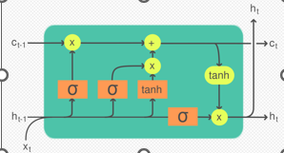
LSTM Architecture Overview:
Forget Gate (ft​): Decides what information to discard from the cell state.
Input Gate (it​): Decides what new information to store in the cell state.
Output Gate (ot​): Decides what part of the cell state to output as the next hidden state.

●An LSTM unit is typically composed of a cell and three gates: an input gate, an output gate, and a forget gate.
●Type of recurrent neural network (RNN).

LSTMs have three main limitations:
●Inability to revise storage decisions.
●Limited storage capacities, i.e., information must be compressed into scalar cell states.
●Lack of parallelizability due to memory mixing.

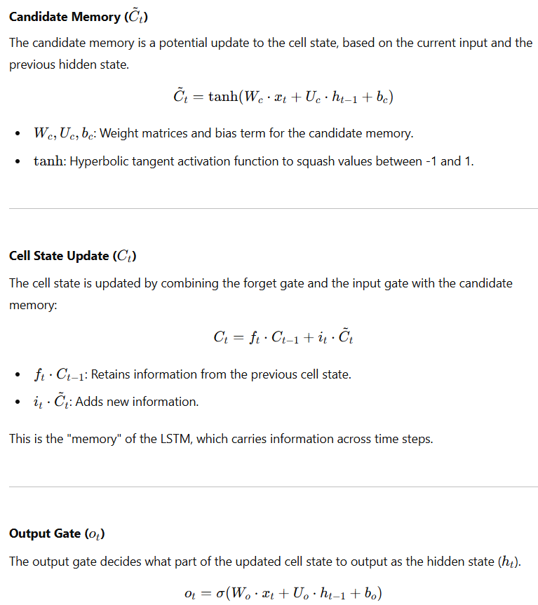
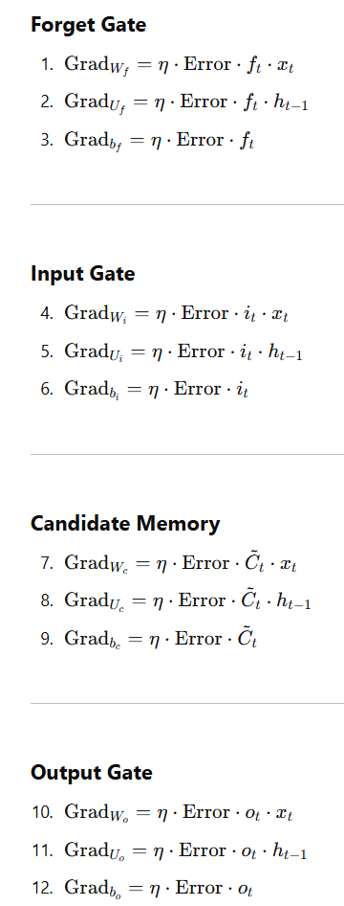
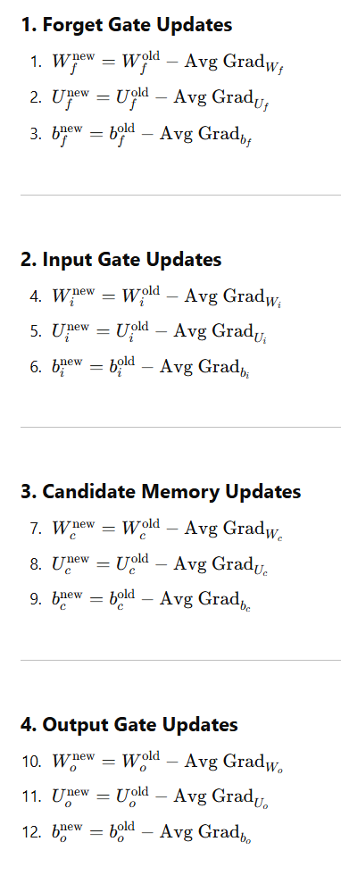
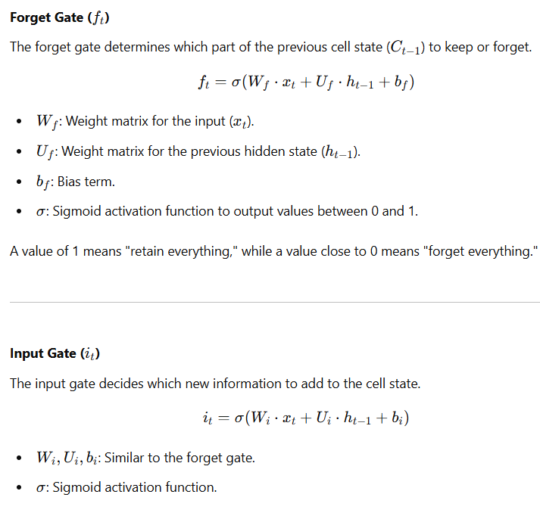

License: For Educational Purpose Only
Ref: Open AI, LSTM & Respective Research Papers
Still a Working Version

